Cumulative Costs (Table 7)
SOMAH Program Table 7 - Total IOU SOMAH Program Administration Expenses to Date
Cumulative totals for all 5 IOUs
Through December 31, 2022
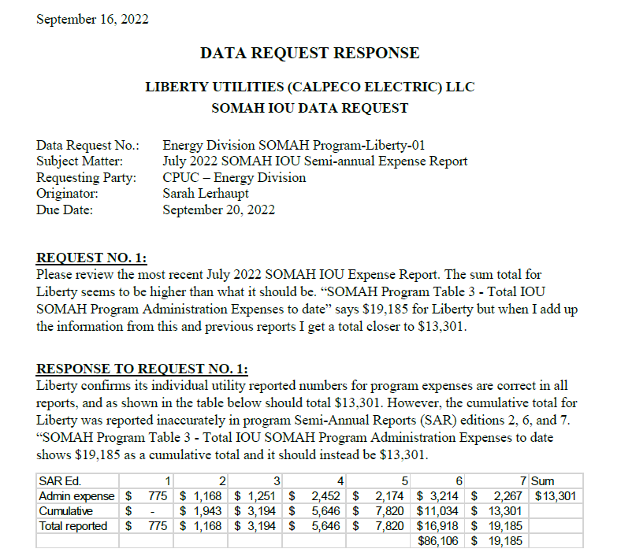
Utility | Total SOMAH IOU Program Administration Expenses (to date)
Pacific Gas and Electric Company [1] | $1,364,791
Southern California Edison [2] | $1,478,749
San Diego Gas & Electric Company [3] | $1,399,668
PacifiCorp Company [4] | $77,906
Liberty Utilities Company [5] | $15,282

All IOU Administrative Costs TOTAL (Sum of [1]-[5]) | $4,336,395

Notes, Table 7.2
[1] PG&E Notes
N/A
[2] SCE Notes
N/A
[3] SDG&E Notes
N/A
[4] PacifiCorp Notes
PacifiCorp is correcting its total admin expenses to date in this Semi-annual report due to errors in previous reports of including external admin costs with internal admin costs.
[5] Liberty Notes
Liberty is correcting its total admin expenses to date in this Semi-annual report.

New Template Issued December 2021

