Appendix
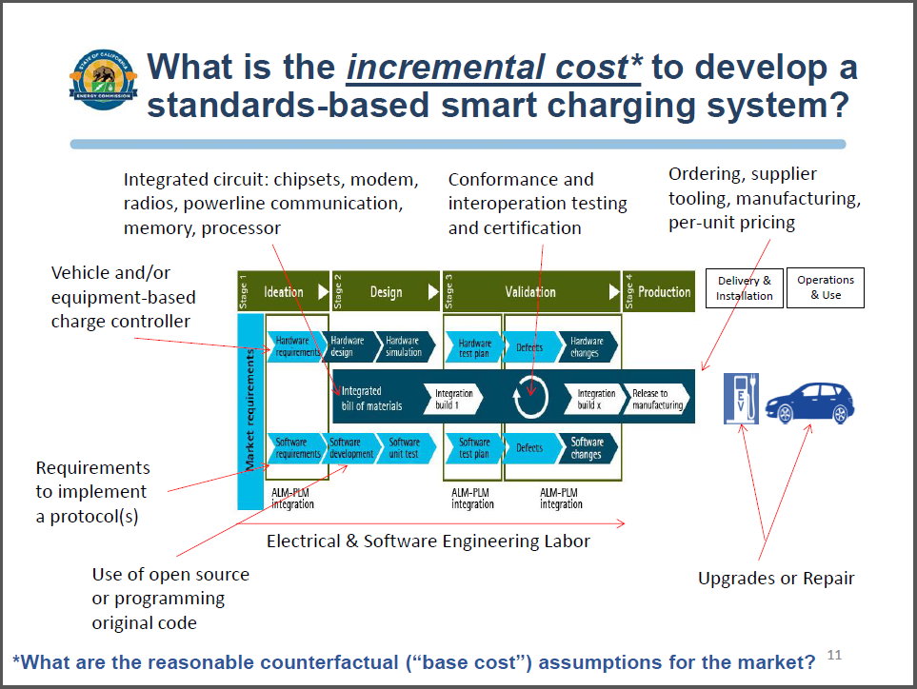
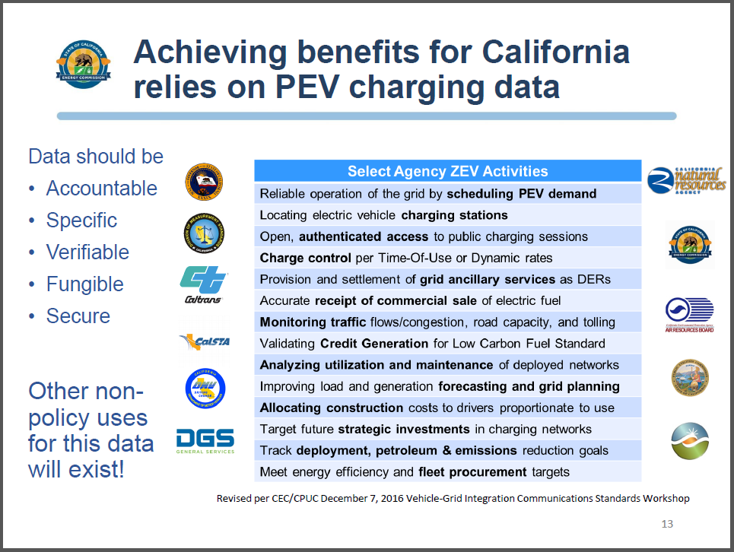
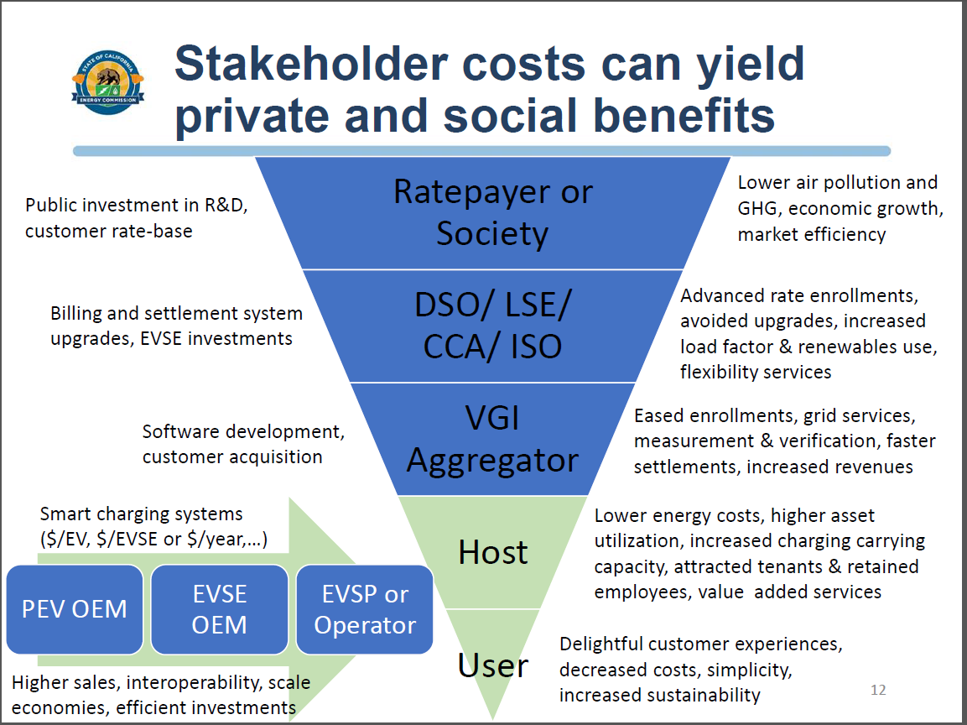
For more detail refer to previous drafts of the Deliverable 2 assignment in Noel Crisostomo's presentations: http://www.cpuc.ca.gov/vgi/

