Cost to Residential Customers
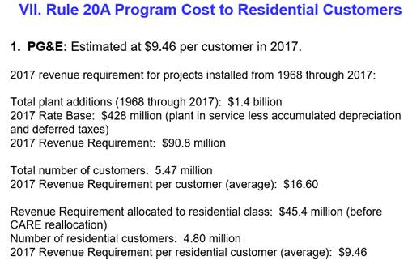
Pacific Gas and Electric Company data for R.17-05-010 submitted on 4/17/2020

(IX.) Cost of Rule 20 A Program for Residential Customers
Year | Annual cost to average residential customer | Annual gross cost to residential customers
Date | Nominal $ | Nominal $
2017
2016
2015
…

Note: Jonathan Frost's presentation at the OIR Workshop on April 22-23, 2019 included the slide below. PG&E provided the data for that slide.

